Diagrams
BMS6 Temperature
 | Beam | Slab
0 | 20 | 20
1 | 349.21366576 | 168.14614959
2 | 444.50487788 | 211.02719504
3 | 502.28930299 | 237.03018635
4 | 543.88730926 | 255.74928917
5 | 576.41043057 | 270.38469376
6 | 603.11764761 | 282.40294142
7 | 625.77682521 | 292.59957134
8 | 645.45510804 | 301.45479862
9 | 662.84638674 | 309.28087403
10 | 678.42733151 | 316.29229918
11 | 692.53955229 | 322.64279853
12 | 705.43624832 | 328.44631174
13 | 717.31030818 | 333.78963868
14 | 728.312063 | 338.74042835
15 | 738.56095276 | 343.35242874
16 | 748.15345005 | 347.66905252
17 | 757.16859567 | 351.72586805
18 | 765.67196077 | 355.55238235
19 | 773.71854363 | 359.17334463
20 | 781.35492723 | 362.60971725
21 | 788.62091309 | 365.87941089
22 | 795.55077689 | 368.9978496
23 | 802.1742463 | 371.97841083
24 | 808.51727161 | 374.83277222
25 | 814.60263981 | 377.57118791
26 | 820.45046871 | 380.20271092
27 | 826.07860818 | 382.73537368
28 | 831.50296875 | 385.17633594
29 | 836.73779275 | 387.53200674
30 | 841.79587969 | 389.80814586
31 | 846.68877475 | 392.00994864
32 | 851.42692755 | 394.1421174
33 | 856.01982651 | 396.20892193
34 | 860.47611323 | 398.21425095
35 | 864.80368037 | 400.16165617
36 | 869.00975575 | 402.05439009
37 | 873.10097501 | 403.89543876
38 | 877.08344457 | 405.68755006
39 | 880.96279645 | 407.4332584
40 | 884.74423618 | 409.13490628
41 | 888.43258479 | 410.79466316
42 | 892.0323158 | 412.41454211
43 | 895.5475878 | 413.99641451
44 | 898.98227336 | 415.54202301
45 | 902.33998466 | 417.0529931
46 | 905.62409632 | 418.53084335
47 | 908.83776582 | 419.97699462
48 | 911.98395168 | 421.39277826
49 | 915.06542988 | 422.77944345
...

BMS6 Vertical displacements
 | 1/4 node | Mid-node
0 | -0.071007259692 | -0.099295744564
0 | -0.14201536635 | -0.19859268624
0 | -0.21302431639 | -0.29789082118
0 | -0.28403411018 | -0.39719015
0 | -0.35504474808 | -0.49649067331
0 | -0.42605623043 | -0.59579239171
0 | -0.49706855761 | -0.69509530582
0 | -0.56808172996 | -0.79439941623
0 | -0.63909574784 | -0.89370472356
0 | -0.71011061161 | -0.9930112284
0.125 | -10.208841471 | -13.864802247
0.25 | -15.274848591 | -20.625496748
0.375 | -19.187270439 | -25.86280477
0.5 | -22.38218489 | -30.154644309
0.625 | -25.083412152 | -33.789664289
0.75 | -27.444382146 | -36.975627983
0.875 | -29.523673515 | -39.781021231
1 | -31.392034684 | -42.303613182
1.5 | -37.342756848 | -50.34975938
2 | -41.870564277 | -56.488768112
3 | -48.816692985 | -65.992392878
4 | -54.760291726 | -74.06599819
5 | -60.083306133 | -81.303146157
6 | -65.51421806 | -88.719132726
7 | -70.088196174 | -94.950895916
8 | -74.727436702 | -101.27766954
9 | -79.455012291 | -107.72628472
10 | -84.389811586 | -114.46312723
11 | -89.849596424 | -121.974478
12 | -94.460109855 | -128.20990694
13 | -97.407498086 | -132.24972157
14 | -100.28192237 | -136.21105428
15 | -103.13980688 | -140.11990446
16 | -105.91429441 | -143.95394698
17 | -107.5923832 | -146.37890662
18 | -108.47517783 | -147.64568915
19 | -109.85156536 | -149.69684404
20 | -111.27691833 | -151.75194228
21 | -113.09792835 | -154.41693901
22 | -115.15243935 | -157.38207898
23 | -116.63063818 | -159.49376207
24 | -116.59870902 | -159.52739679
25 | -117.1354709 | -160.36448943
26 | -117.28843537 | -160.61085812
27 | -117.69016803 | -161.321865
28 | -117.9949419 | -161.79820651
29 | -118.42112849 | -162.5123569
30 | -118.82697662 | -163.14340949
31 | -119.38944427 | -164.04049667
32 | -120.00968369 | -164.98162908
...

BMS6 Axial force at mid-node
 | Beam 24 | Beam 25
0 | -8364.5376631 | -8454.1120988
0 | -16729.101063 | -16908.252062
0 | -25093.690207 | -25362.419885
0 | -33458.305079 | -33816.615552
0 | -41822.945658 | -42270.839046
0 | -50187.611928 | -50725.090349
0 | -58552.303869 | -59179.369444
0 | -66917.021463 | -67633.676314
0 | -75281.764691 | -76088.010943
0 | -83646.533535 | -84542.373312
0.125 | 250408.08968 | 250853.04258
0.25 | 374325.99606 | 375149.21334
0.375 | 461287.23226 | 462860.47243
0.5 | 528303.24331 | 530197.15854
0.625 | 581119.96481 | 583030.65732
0.75 | 620303.43096 | 622085.65212
0.875 | 650484.4131 | 652071.49425
1 | 673867.52495 | 675369.84129
1.5 | 734765.58919 | 725423.43805
2 | 750091.5559 | 751135.71726
3 | 700836.08025 | 701679.7447
4 | 651262.58347 | 651596.47167
5 | 608968.49229 | 608790.24336
6 | 566017.73488 | 565517.78573
7 | 524014.48952 | 530579.48732
8 | 471112.31129 | 482165.23203
9 | 421343.38833 | 436241.13675
10 | 376931.75445 | 389659.41382
11 | 335818.85548 | 339776.49948
12 | 305108.26533 | 307736.29901
13 | 283775.31974 | 285281.05949
14 | 262841.26678 | 263267.48043
15 | 242484.9395 | 240868.45946
16 | 224133.74443 | 223184.30967
17 | 210753.07022 | 208084.16862
18 | 198737.63886 | 196467.13328
19 | 184204.59436 | 180372.58077
20 | 171395.38771 | 167996.65181
21 | 158171.81848 | 152979.14963
22 | 142987.72847 | 139857.64932
23 | 133297.89977 | 130420.49939
24 | 126727.42235 | 123554.05641
25 | 117964.84218 | 114707.77662
26 | 110260.07521 | 107071.87314
27 | 102459.1091 | 99326.427677
28 | 95426.858425 | 92358.17551
29 | 87956.799832 | 84881.932019
30 | 81024.006811 | 77941.716027
31 | 73619.330921 | 70527.276869
32 | 66458.095268 | 63342.137447
...

Deflected shape
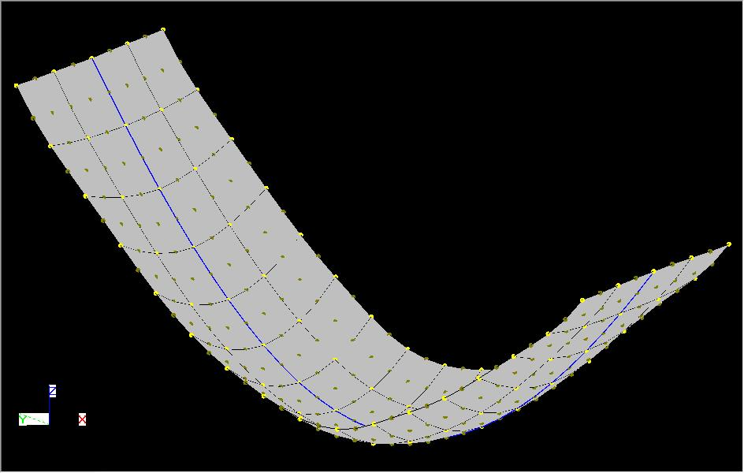
BMS6

NB. This displacments shown above are scale by a factor of 10 in all direction.

